Static Pages
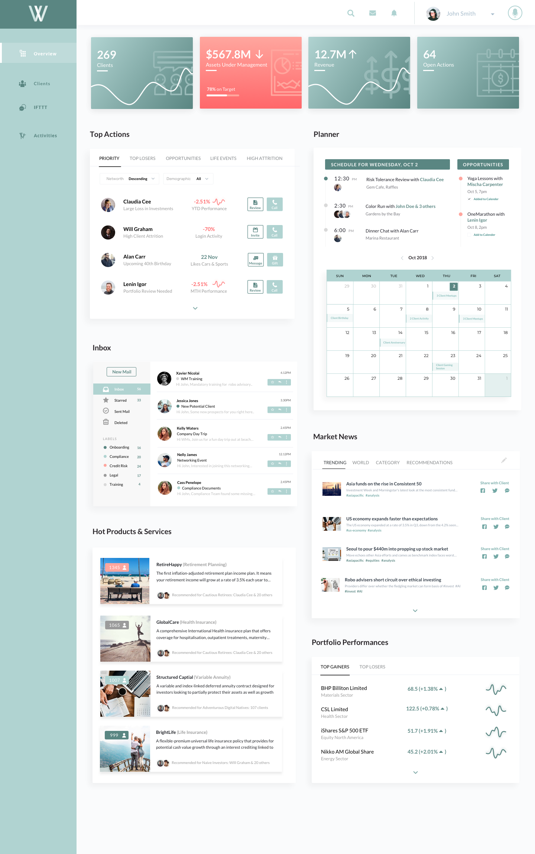
Web link | Static pages designs

